Itinerary
THURSDAY: | Location | Address:
 | Boyne Highlands Main Lodge (Check-in) | 600 Highlands Dr, Harbor Springs, MI 49740
11:00am - Welcome and lunch at Crooked Tree Grille | Bay Harbor Golf Course | 5800 Coastal Ridge Dr, Bay Harbor, MI 49770
 | Pierson's Grille & Spirits | 130 State St, Harbor Springs, MI 49740
12:30pm - Day 1: Best Ball - Crooked Tree | Seminole Pub (Lunch Saturday) | 600 Highlands Drive, Harbor Springs, MI 49740
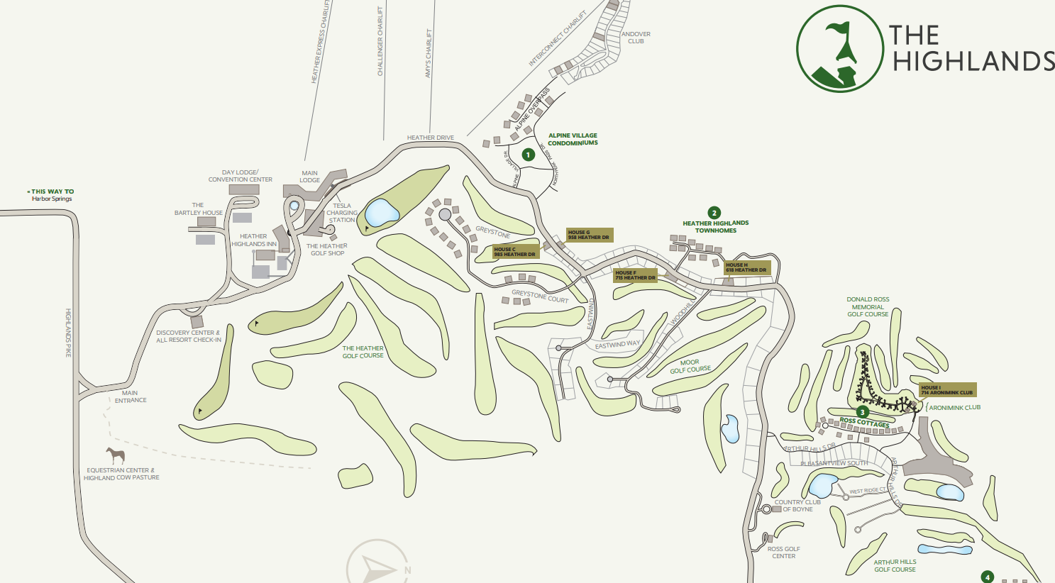
6:00pm - Leave Crooked Tree for Dinner downtown Harbor Springs

6:30pm - Reservation at Pierson's Grille & Spirits

7:30pm - Flight Announcements

FRIDAY:

6:00am - Breakfast Opens at Main Dining Room

7:45am - Sandbagger Picture on 1st Tee

8:00am - Day 2 Flights: Bay Harbor - Links/Quarry

1:00pm - Lunch at The Quarry Corner (Food Truck Onsite)

1:50pm - Day 2 Flights: Bay Harbor - Quarry/Preserve

6:30pm - Cocktails on Patio

7:00pm - Dinner reservation at The Links Grille

8:00pm - Auction Scramble Draft

SATURDAY:

6:00am - Breakfast Opens at Main Dining Room

6:30am - Day 3: Knockout - The Moor

11:30pm - Lunch at The Seminole Pub (In Between Moor and Donald Ross)

12:40pm - Donald Ross Memorial (Annual Sandbagger Scramble)

5:40pm - Last 9: Donald Ross Memorial (Annual Sandbagger Scramble)

8:00pm - Pizzas delivered to Condos

SUNDAY:

8:00am - Checkout, Goodbyes, and take off

